blake-poems.txt
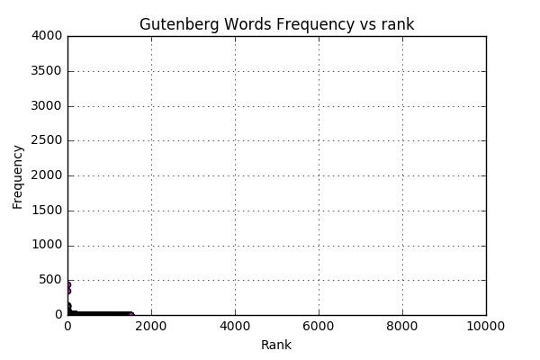
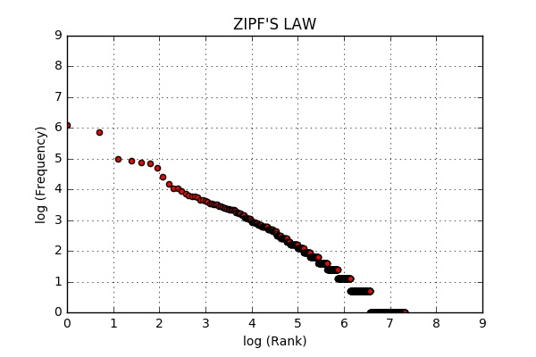
Zipf's Law graph against Rank and Frequency | Zipf's Law graph against log(Rank) and log(Frequency)

